GUI 7.6
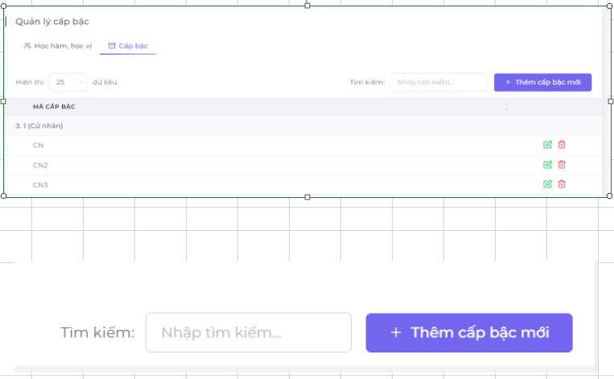
Backlog ID | Backlog Item | User Story Description | Acceptance Criteria
PB_10 | View list of academic degree ranks | As a BCN Faculty, I would like to be able to view the rank list to see the ranks within the rank | AC1 | Only the Faculty BCN role can view the rank list.
 |  |  | AC2 | The rank list interface includes the Rank Code sorted by rank name in the rank list created in function F.7.2.
 |  |  | AC3 | Regulations on the layout of the list:
 |  |  |  | Rank codes are arranged according to each rank.
 |  |  |  | Rank codes are arranged in ascending order.
 |  |  |  | Data about rank names is taken from "academic titles, degrees"
 |  |  | AC4 | The system can adjust the amount of data that can be displayed on 1 page of the list by entering the amount of data displayed on the left above. On the right side include functions such as Search, add, edit, and delete ranks.

